Sheet1
 | Document No. |  | Issue No. | Issue Date |  |  | Review and Replace Date |  | Authorised By
 | GFF309MC |  | 1 | 2021-08-19 |  |  | New Issue |  | Magda Shah
 | Document Title |  | YELLOW THAI COD CURRY WITH JASMINE RICE| 400G
Document amendments reason for change | New product |  |  |  |  | Previous Issue Date |  | New Issue | Uncontrolled copy unless signed original

FFYTCR-R6TRE |  | RED RICKSHAW |  |  | YELLOW THAI COD CURRY WITH JASMINE RICE| 400G|FROZEN
STEP 1 |  |  |  |  |  | STEP 2
 |  |  |  |  |  | 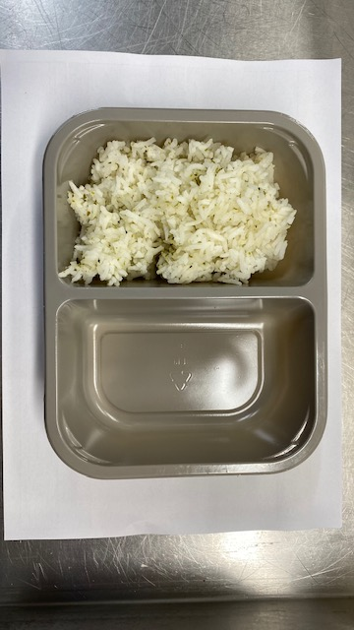

Non-MAP Pack
Pack+1 Year

Packaging: 2200-2F |  |  |  |  |  | STEAMED JASMINE RICE(GFF----)-160 G
Flim: K peel 7G+25A/f-300mm (300mmX1000)
STEP 3 |  |  |  |  |  | STEP 4
 |  |  |  |  |  | 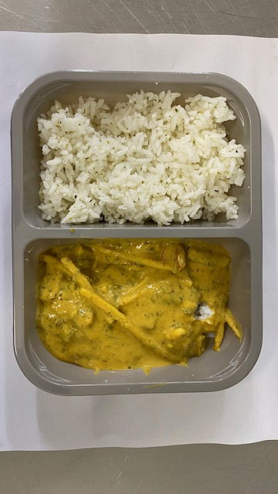

STEAMED COD FISH(GFF----)-70G |  |  |  |  |  | YELLOW THAI CURRY (GFF---)-170G |  |  | Total Weight 400 g

ALLERGY ALERT: FISH

